Sheet1
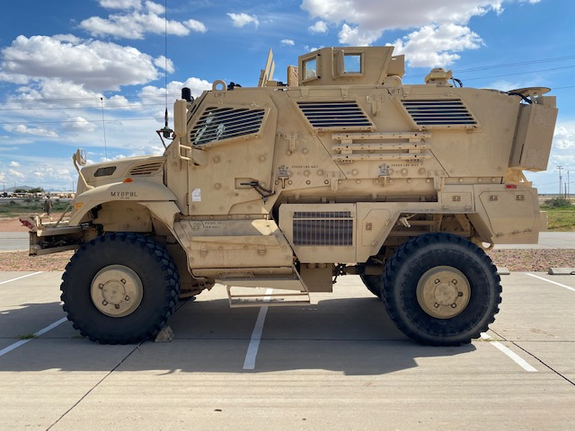
D1
D2
D3
 | Vehicle Assignment | Storage Location | MX6
Cotton bag, for jack and tools | every vehicle | S3 | Turret | missing BII
Bag, tool, cotton duct | every vehicle | S3 | MK 93 mount needs repair or replace (including ammo holders) | all except Fire Extiguisher
Extension, jack handle | every vehicle | R2 | pintle retention pin missing
Handle, mechanical jack | every vehicle | R2 | T&E Mechanism needed
Jack, scissors, hand | every vehicle | R2
Pliers, slip joint | every vehicle | S3
Screwdriver, cross-tip | every vehicle | S3 | MAX4
Screwdriver, flat-tip | every vehicle | S3 | Turret | missing BII
Wrench, adjustable | every vehicle | S3 | needs travesersing bar assembly | jack bag
Wrench, ratchet | every vehicle | S3 | mk 93 cradle (including ammo holders) | tool bag
Wrench, wheel lug | every vehicle | R2 | 240 pintle | flat tip screwdriver
Fire extinguisher | every vehicle | on bracket | t&e mechanism | lug wrench
Technical Manual 9-2320-387-10 | every vehicle | I2 | pintle retention pin | bolt cutters?
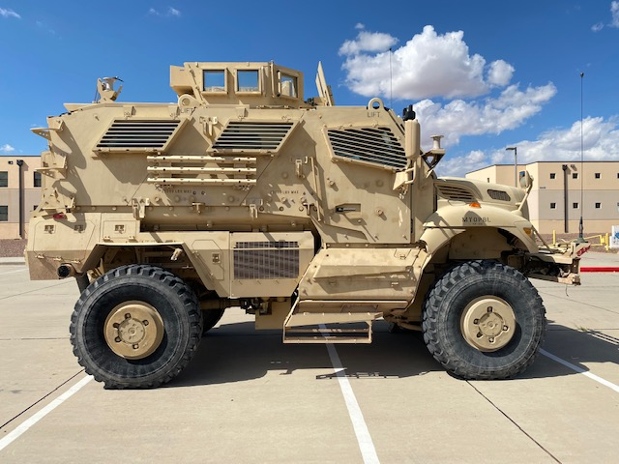
TC1
TC2
Folder, equipment record | every vehicle | I2 |  | sledgehammer?
Max tool kit, combination tool | every vehicle | R2 |  | jack handle
Hydraulic winch controller cable | every vehicle | R2 |  | jack handle extension
Slave cable | every vehicle | R1 |  | tow straps
Warning triangles, set | every vehicle | R1
Tow chains or towing straps | every vehicle | R1 | MAX1
Tow bar (if equipped) | every vehicle | Secured to front | Turret | missing BII
Sledge hammer | every vehicle | R2 | needs travesersing bar assembly | scissor jack & bag
Ax | every vehicle | R2 | mk 93 cradle (including ammo holders) | jack handle
Shovel | every vehicle | R2 | 240 pintle | jack handle extension
Bolt cutters | every vehicle | R2 | t&e mechanism | TM manual
Gloves, wire handlers | every vehicle | S3 | pintle retention pin | axe
Air horn | every vehicle | S2 |  | sledgehammer
Spotlight | every vehicle | S2 |  | bolt cutters
Combat lifesaver bag | every vehicle | I1 AND D1 |  | gloves, wire handlers
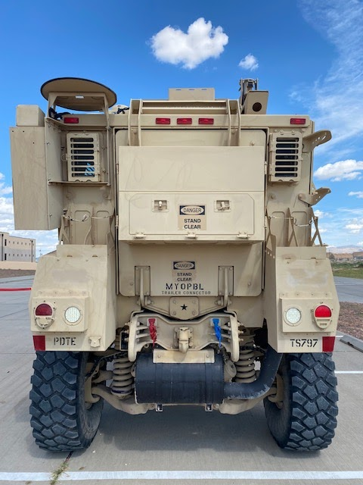
R1
R2 ramp must be down to access
R3
R4
Can, fuel, 5 gallon | every vehicle | R4 |  | tow straps
Litter | every vehicle | strapped to side
9-line medical evacuation “cheat” card | every vehicle | Taped to windshield | MAX2
Detainee kit (1 per MRAP vehicle): | epw team vehicle | D3 | Turret
15 flex cuffs | epw team vehicle | D3 | needs travesersing bar assembly
15 blindfolds (cravat bandage) | epw team vehicle | D3 | mk 93 cradle (including ammo holders)
Detainee paperwork with document protectors | epw team vehicle | D3 | 240 pintle
DA 2823, Sworn Statement | epw team vehicle | D3 | t&e mechanism
Coalition Apprehension Form | epw team vehicle | D3 | pintle retention pin bent and unuseable
Platoon detainee startup sheet | epw team vehicle | D3
25 feet 550 cord | epw team vehicle | D3
15 Ziploc bags, 1-gallon size | epw team vehicle | D3
15 shoe tags | epw team vehicle | D3
Black Sharpie marker | epw team vehicle | D3
 |  |  | MX14
Heavy medical scissors | epw team vehicle | D3 | Turret
Digital camera | epw team vehicle | D3 | needs travesersing bar assembly
4 plastic trash bags | epw team vehicle | D3 | mk 93 cradle (including ammo holders)
Latex gloves (CATI-6 pair; CAT II - 10 pair) | epw team vehicle | D3 | 240 pintle
Carrying bag or case | every vehicle | I2 | t&e mechanism
VS-17 panel | every vehicle | I2 | pintle retention pin bent and unuseable
2 smoke grenades | every vehicle | I2
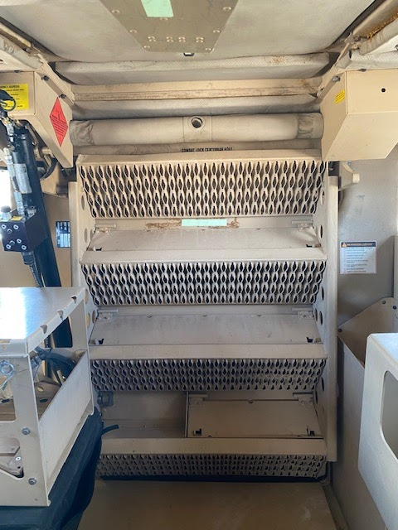
S1
S2
S3
I1
I2
6 chem-lite spinners | every vehicle | I2
Strobe light | every vehicle | I2
Crew-served weapon, mounted | every vehicle | Mounted
800 rounds for crew-served weapon (minimum) | every vehicle | In turret
Rifle, 5.56-mm (in gunner’s turret) | every vehicle | on person
M3E1 (Carl Gustaf) | every vehicle
1 case bottled water x 1 day | every vehicle | tc1 or/and s1
1 case meals, ready-to-eat x 1 day | every vehicle | tc1 or/and s1
Rucksack or assault pack x # crewmembers | every vehicle | strapped to exterior or held
W.A.L.KIT if avaliable | psg vehicle aid and litter | strapped to interior of PSG vehicle

